Serious Violence Measures
Homicides
Homicide Trends in West Yorkshire
 | All Homicides | Non domestic homicide | victim u25
Q1 | 33 | 23 | 7
Q2 | 30 | 22 | 5
Q3 | 39 | 26 | 5
Q4 | 39 | 24 | 4
Q1 | 33 | 24 | 5
Q2 | 38 | 25 | 6
Q3 | 33 | 19 | 4
Q4 | 26 | 17 | 4
Q1 | 28 | 16 | 3
Q2 | 26 | 17 | 3
Q3 | 21 | 16 | 5
Q4 | 21 | 14 | 4
Q1 | 25 | 18 | 7
Q2 | 25 | 16 | 7
Q3 | 26 | 16 | 7
Q4 | 29 | 19 | 7
Q1 | 29 | 17 | 5
Q2 | 31 | 20 | 5
Q3 | 29 | 17 | 3
Q4 | 28 | 19 | 5
Q1 | 28 | 19 | 5
Q2 | 24 | 16 | 5
Q3 | 31 | 22 | 9
Q4 | 28 | 18 | 7
Q1 | 24 | 14 | 6
Q2 | 26 | 18 | 8
Q3 | 20 | 14 | 6
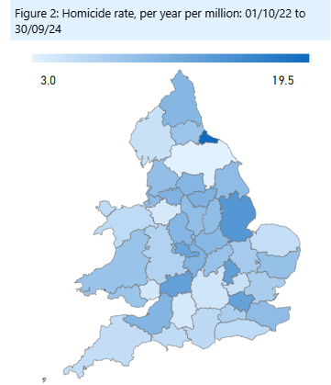

 |  |  |  |  |  |  |  |  |  |  |  | Area | per mill pop
 |  |  |  |  |  |  |  |  |  |  |  | West Yorkshire | 10.2
 |  |  |  |  |  |  |  |  |  |  |  | Greater Manchester | 10.7
 |  |  |  |  |  |  |  |  |  |  |  | West Midlands | 12.4
 |  |  |  |  |  |  |  |  |  |  |  | South Yorkshire | 10.7

Knife Crime

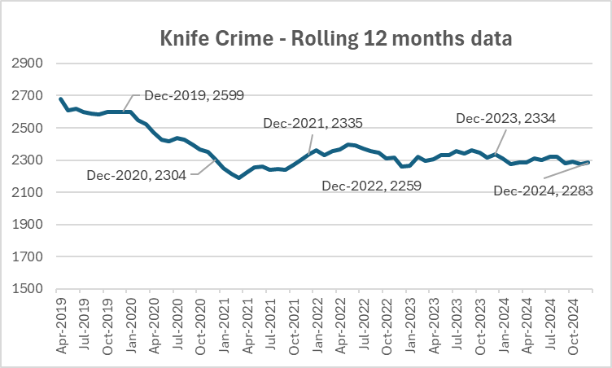

Hospital Admissions
 |  |  |  |  |  |  |  |  |  |  |  | Under 25's
Hospital Admissions for Assault with a sharp object - Rolling 12 month data
 | All Ages | u25
Q1 | 185 | 60
Q2 | 200 | 65
Q3 | 205 | 75
Q4 | 235 | 95
Q1 | 255 | 105
Q2 | 275 | 95
Q3 | 285 | 100
Q4 | 270 | 100
Q1 | 270 | 90
Q2 | 265 | 100
Q3 | 260 | 95
Q4 | 250 | 80
Q1 | 215 | 75
Q2 | 215 | 75
Q3 | 190 | 65
Q4 | 190 | 75
Q1 | 215 | 90
Q2 | 215 | 80
Q3 | 225 | 90
Q4 | 240 | 90
Q1 | 220 | 90
Q2 | 215 | 85
Q3 | 205 | 75
Q4 | 195 | 70
Q1 | 200 | 70
Q2 | 205 | 80
Q3 | 200 | 75
Q4 | 190 | 75
Q1 | 195 | 70
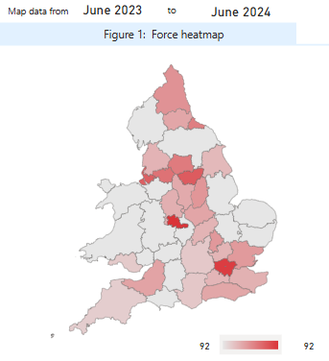

 |  |  |  |  |  |  |  |  |  |  |  | Area | last 12 months
 |  |  |  |  |  |  |  |  |  |  |  | West Midlands | 154
 |  |  |  |  |  |  |  |  |  |  |  | South Yorkshire | 119
 |  |  |  |  |  |  |  |  |  |  |  | Greater Manchester | 100
 |  |  |  |  |  |  |  |  |  |  |  | West Yorkshire | 92

Knife Enabled Robberies

 | Area Name | Total of selected serious offences involving a knife | Robbery offences involving a knife | % Robbery | Homicide offences involving a knife | % Homicide | Rape and sexual assault offences involving a knife | % RASSO | Assault with injury and assault with intent to cause serious harm offences involving a knife | % Serious Assault offences
 | Greater Manchester | [x] | [x] |  | [x] |  | [x] |  | [x]
 | Lancashire | 1185 | 357 | 30.1% | 3 | 0.3% | 34 | 2.9% | 657 | 55.4%
 | Northumbria | 1155 | 324 | 28.1% | 3 | 0.3% | 27 | 2.3% | 635 | 55.0%
 | Nottinghamshire | 826 | 259 | 31.4% | 4 | 0.5% | 22 | 2.7% | 410 | 49.6%
 | South Wales | 721 | 162 | 22.5% | 5 | 0.7% | 11 | 1.5% | 450 | 62.4%
 | South Yorkshire | 1492 | 595 | 39.9% | 10 | 0.7% | 18 | 1.2% | 723 | 48.5%
 | West Midlands | 5122 | 2558 | 49.9% | 20 | 0.4% | 51 | 1.0% | 1,900 | 37.1%
 | West Yorkshire | 2334 | 897 | 38.4% | 13 | 0.6% | 53 | 2.3% | 985 | 42.2%

 | Greater Manchester Police (GMP) have been unable to supply offences involving knives or sharp instruments data from July 2023 to June 2024 due to an IT issue in processing these data

Serious Violence Duty

 | As part of the Serious Violence Duty each area conducts a consultation each year based on a number of suggested questions. The following is the results of these questions at West Yorkshire Level

 | Defining Serious Violence |  |  |  |  |  |  | Feelings of Safety
 | Our definition of violence and serious violence is currently:
 | "specific crime types where there is the use of physical force or power, threatened or actual, against oneself, another person, or against a group or community.” |  |  |  |  |  |  | 64% of respondents felt either very safe or quite safe
Agree with definition of Serious Violence
 | 19
 | 74.5
 | 6.5
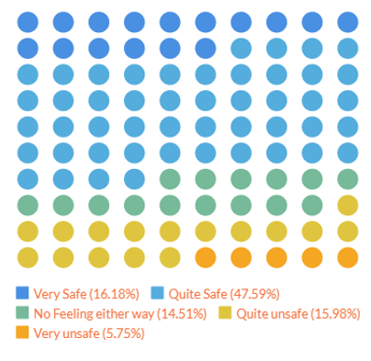

 | Daytime into Night |  |  |  |  |  |  | Effect of Serious Violence

 |  |  | 62% of respondents indicated that their feelings of safety differed between night and day, with a number of themes emerging |  |  |  |  | 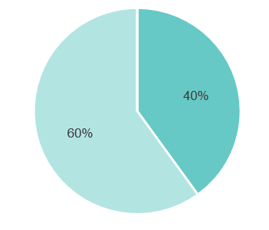 |  |  | 60% of respondents felt violence had an effect on their local area, whilst 40% felt it didn’t.

 | Causes of Violence |  |  |  |  |  |  | What should be done

 | 5161 Answers |  |  |  |  |  |  | 4048 answers
 | Economic Factors: |  |  |  |  |  |  | Some similar answers
 | · Poverty and deprivation |  |  |  |  |  |  | Policing and the Justice System
 | · Unemployment |  |  |  |  |  |  | Visible police presence
 | · Lack of opportunities |  |  |  |  |  |  | Stricter laws and harsher penalties
 | Community assets: |  |  |  |  |  |  | Community Engagement and Support
 | · Lack of facilities and activities for children and young people |  |  |  |  |  |  | Youth Services and activities
 | · Social isolation and lack of community cohesion |  |  |  |  |  |  | Education and awareness
 | Relational: |  |  |  |  |  |  | Improved lighting and security
 | · Perceptions of poor parenting (lack of guidance, supervision, and discipline) |  |  |  |  |  |  | Support services
 | · Cultural intolerance and racism |  |  |  |  |  |  | Addressing influential factors
 | Substance Abuse:
 | · Drug and alcohol abuse
 | Mental Health:
 | · Insufficient access to mental health services
 | Influences:
 | · Gang culture
 | · Easy access to weapons
 | · Exposure to violence through media
 | Policing & Justice:
 | · Lack of police presence and ineffective policing
 | · Lack of deterrence / leniency in justice system

 | What makes preventing and tackling violence difficult? |  |  |  |  |  |  | What services and initiatives are missing?

 | Lack of Resources and Funding |  |  |  |  |  |  | Youth centres/clubs
 | Policing Issues |  |  |  |  |  |  | Community infrastructure
 | Fear and Under-reporting: |  |  |  |  |  |  | Support Services
 | Community Cohesion and Support: |  |  |  |  |  |  | Education and Awareness
 | Social and Economic Factors

Confidence and Satisfaction
Confidence Measures
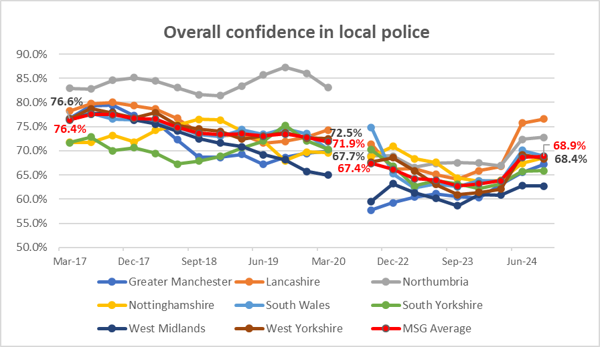

 | The above graph relates to overall confidence in local police and is the measure that is usually quoted from this data. WYP is on a good increasing trend going from second bottom to 4th in the MSG and close to the MSG average
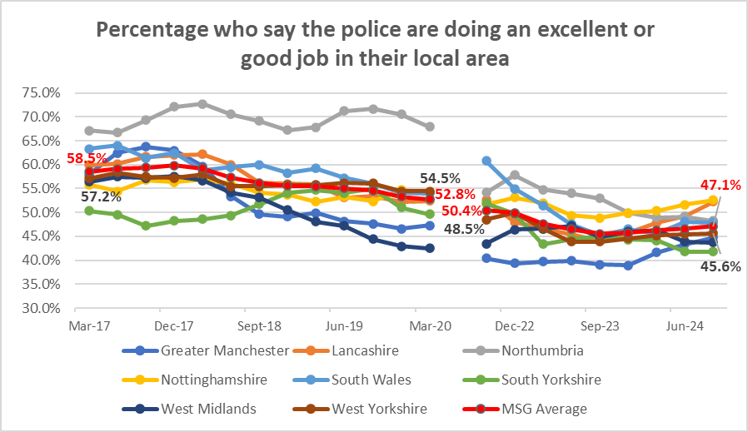

 | But this does not seem to be influenced by whether people agree that police are doing an excellent or good job in their local area (which has currently flatlined), but the increase in overall confidence seems to be linked to the next measures i.e. how they are treated by the Police
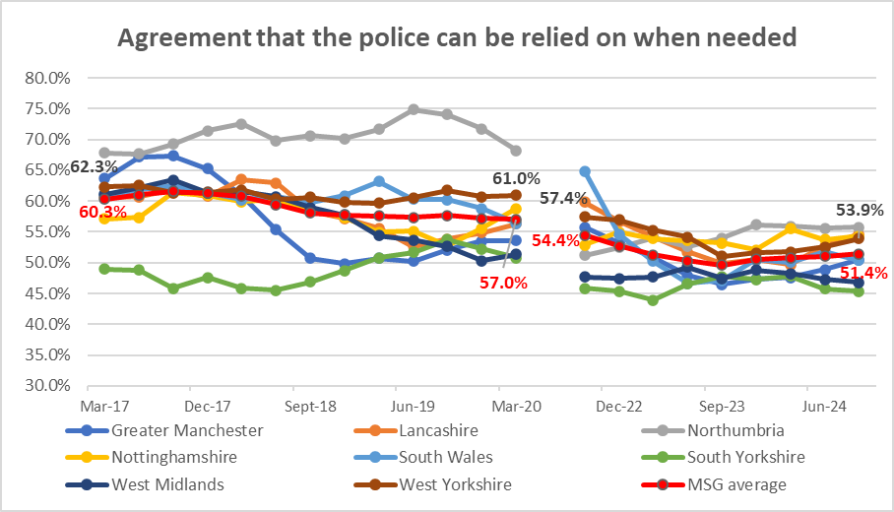

 |  | That the Police are there when needed and
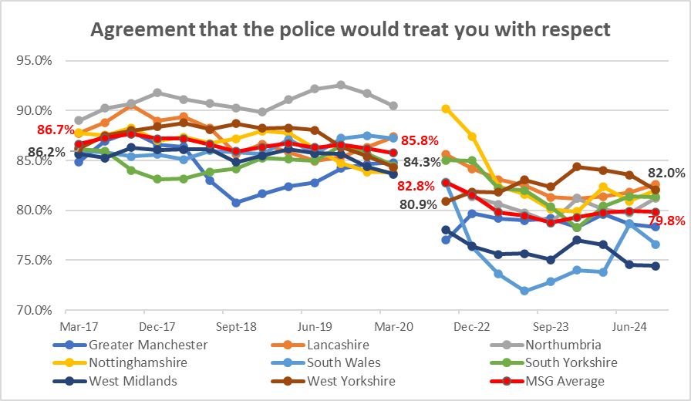

 |  | particularly that the police treat you with respect

Victim Satisfaction
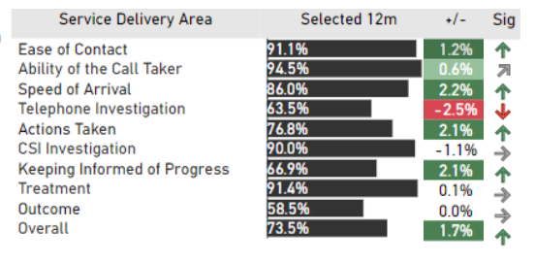
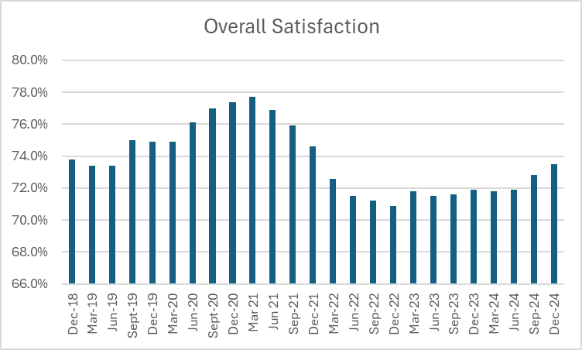

Levels of Overall satisfaction have increased for both attended and unattended crimes in comparison to the previous year, both up 2.0 percentage points. However, satisfaction levels for victims of crimes and incidents we don’t attend remain significantly lower than for those we do (65.8% compared to 78.6%). |  |  | The areas of service delivery that victims and callers are most satisfied with are Ease of Contact (91%), the Ability of the Call Taker (95%), the Crime Scene Investigation (90%) and Treatment (91%). The areas we score considerably lower for are satisfaction with the Outcome (59%), telephone investigation (64%) and Keeping Informed of Progress (67%).

Calls for Service

Attendance and Response to Incidents
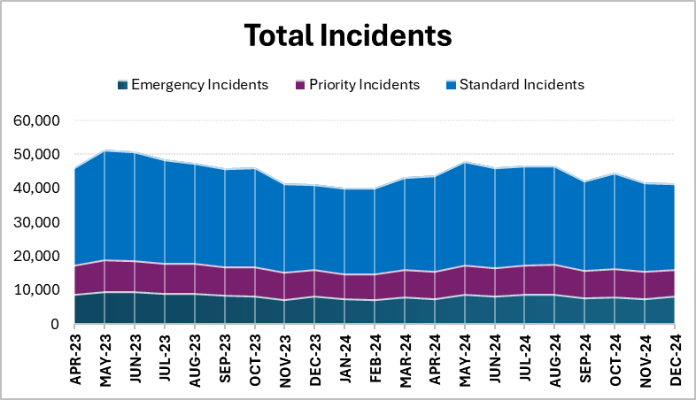

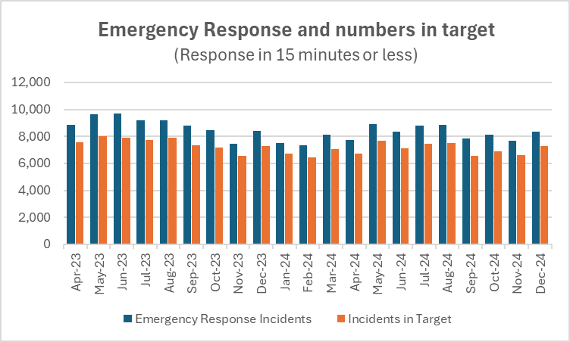
Priority Incidents and numbers in target (target = 60 mins or less)
 | Priority Incidents | Incidents in Target
45017 | 8642 | 7070
45047 | 9406 | 7481
45078 | 9109 | 7077
45108 | 8846 | 7328
45139 | 8829 | 7554
45170 | 8171 | 6743
45200 | 8658 | 7380
45231 | 7853 | 7050
45261 | 7848 | 7034
45292 | 7373 | 6636
45323 | 7456 | 6605
45352 | 8106 | 7069
45383 | 8065 | 6973
45413 | 8745 | 7445
45444 | 8499 | 7258
45474 | 8826 | 7482
45505 | 8830 | 7440
45536 | 8109 | 6797
45566 | 8393 | 6990
45597 | 8043 | 6784
45627 | 7944 | 6823

In the 12 months to December 2024 86.1% of the incidents were attended in the target time compared to 84.3% the previous 12 months |  |  | In the same time period 85.7% of Priority incidents were attended in the target time compared to 82.9% the previous 12 months

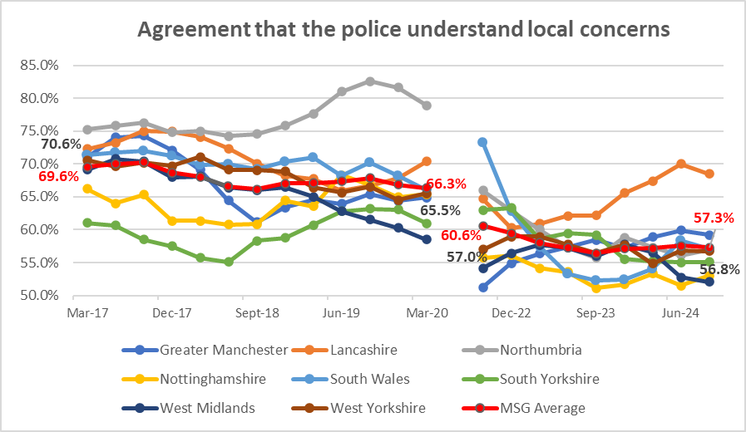

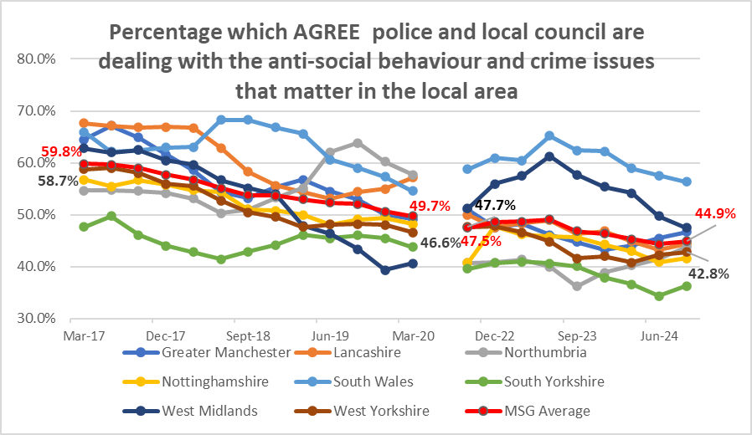

The first graph of this set looks at how well the public think the police are doing, and the second then looks at the links with the local council to reflect partnership working. Some areas (such as South Wales & West Midlands) benefit from this link with the Council (although both are currently on reducing trends) and others seem to lose out (such as Lancashire ). West Yorkshire is mid table for both and was on a reducing trajectory, but has recently seen a slight upturn for both. Even with this upturn both are still below MSG average.

Other Confidence Measures

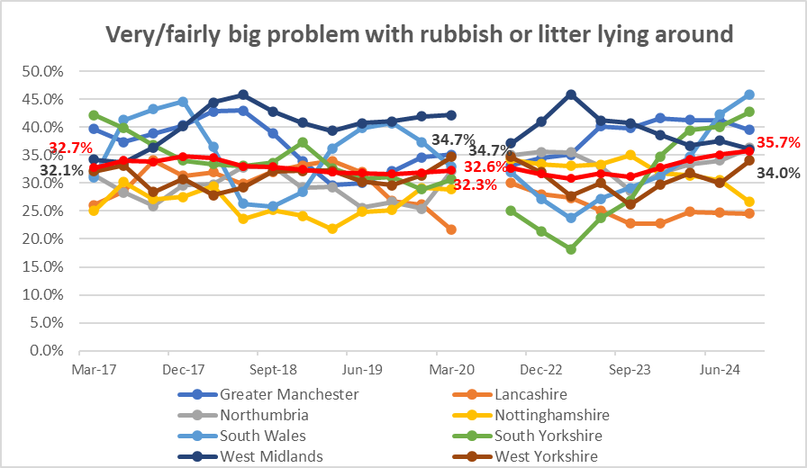

 | Litter has traditionally been a council matter and West Yorkshire is below MSG average
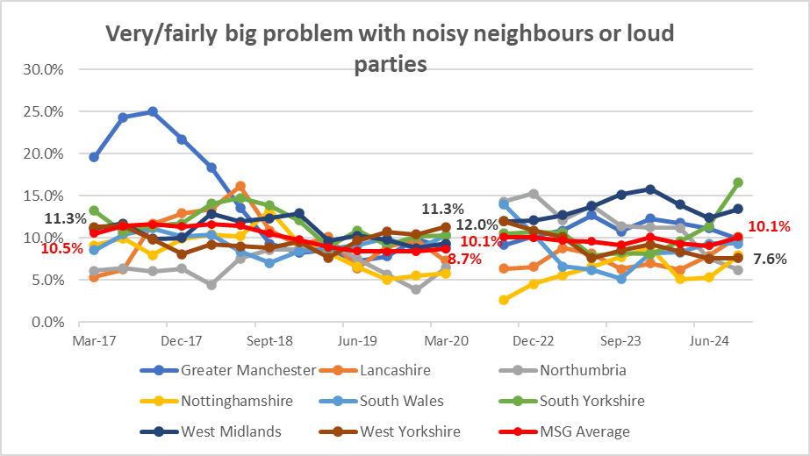

 | Problems with noisy neighbours or loud parties was declining in West Yorkshire after being top of the pile pre-pandemic. Some other areas have seen increases here (especially South Yorkshire) with West Yorkshire now lower in the table and below MSG average.
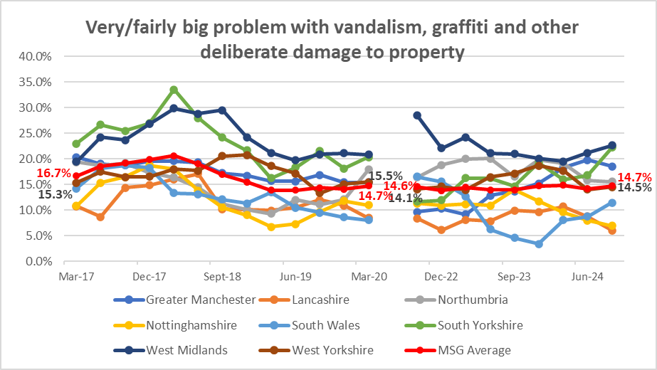

 | The last area is problems with criminal damage including vandalism and graffiti. West Yorkshire was on a decreasing trend and remains similar to MSG average

Crimes and ASB
Total Crime

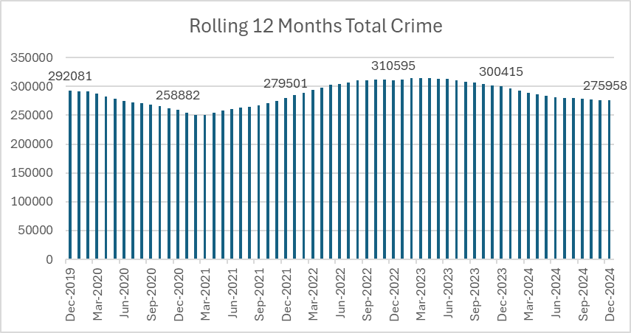

 |  |  |  |  |  |  | Total Crime is continuing to decline in comparison to the 12 months before and is now below the baseline before the pandemic in December 2019.

Total Crime per 1000 population
 | Northumbria | Greater Manchester | Lancashire | South Yorkshire | West Yorkshire | Nottinghamshire | West Midlands | South Wales
43800 | 102.41540353 |  | 96.799357143 | 106.03253426 | 124.33004949 | 95.03474795 | 89.035064256 | 85.700651631
43891 | 100.54980021 |  | 93.827905146 | 106.83446589 | 122.6551466 | 93.729136175 | 89.389986462 | 84.898480441
43983 | 94.454114104 | 97.048968636 | 87.986834744 | 104.18634504 | 117.06575398 | 87.440206734 | 85.87745685 | 80.111329793
44075 | 93.852284293 | 97.014803093 | 85.591134211 | 102.28557789 | 114.44361182 | 84.313196715 | 87.22410371 | 78.681273184
44166 | 91.745534471 | 94.629490372 | 81.277567692 | 98.876276941 | 110.2674185 | 79.064567564 | 90.009985831 | 75.926949147
44256 | 87.433226948 | 96.225160691 | 78.200365426 | 95.04417901 | 106.38101402 | 74.282851714 | 92.584286308 | 73.106411738
44348 | 91.142322731 | 107.1504647 | 83.391267508 | 98.807144905 | 111.38657363 | 77.775537758 | 103.77788111 | 75.885090119
44440 | 89.191730817 | 112.39069205 | 84.271214189 | 100.2494575 | 113.79339545 | 78.435325526 | 111.95618031 | 75.300585874
44531 | 90.754000855 | 119.60485109 | 86.791595595 | 103.19229913 | 119.14491442 | 82.291942124 | 119.03953593 | 77.117267686
44621 | 93.501965448 | 123.39722639 | 91.055550877 | 108.11158929 | 125.25601205 | 86.995984546 | 124.01667689 | 79.569445649
44713 | 94.024334377 | 125.8609804 | 91.44656576 | 112.22094308 | 129.61603617 | 86.13983137 | 126.48638676 | 80.022284224
44805 | 96.962314122 | 127.64107493 | 90.27613223 | 114.5823479 | 132.58498877 | 90.414488102 | 127.45787914 | 80.407387281
44896 | 96.989261725 | 128.0043453 | 87.201541082 | 115.8965843 | 132.31945538 | 90.580307779 | 125.75185211 | 80.281810197
44986 | 98.688342674 | 129.68542948 | 85.108077427 | 116.72689644 | 133.78797415 | 91.710499789 | 125.92228335 | 81.701211781
45078 | 100.90150098 | 128.94110871 | 82.933669123 | 116.93138172 | 133.2820139 | 92.337123622 | 123.56642292 | 83.243146155
45170 | 101.38448495 | 125.92129305 | 82.35791766 | 116.03120984 | 130.65987174 | 92.421778931 | 119.71714586 | 84.716583938
45261 | 101.49296633 | 123.83649766 | 83.950699486 | 114.0664046 | 128.10113418 | 90.581180514 | 117.19016835 | 86.177083476
45352 | 99.740681139 | 119.4580787 | 84.473575815 | 112.5076591 | 123.14834082 | 88.139267583 | 112.53948724 | 86.845305776
45444 | 97.869550106 | 116.31275696 | 85.785662483 | 111.04860928 | 119.94832312 | 85.760191583 | 110.84169029 | 87.449597925
45536 | 97.225571479 | 114.78820675 | 86.386872344 | 110.49191446 | 118.52023011 | 85.083821847 | 110.0790362 | 85.661836896

 |  |  |  |  |  |  |  | When comparing with other forces, West Yorkshire still has a high number of crime recorded due to the outstanding rating for Crime Data Integrity, but the pattern of increases and decreases matches other areas which indicates a national change.

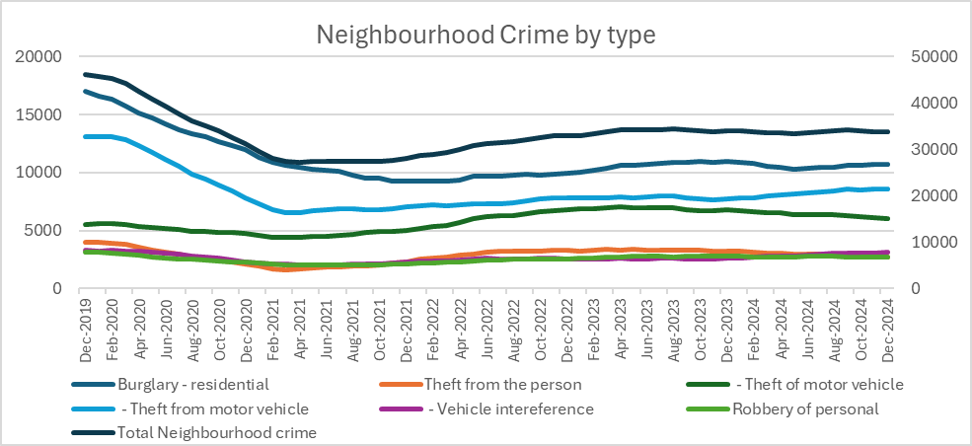

 |  |  |  |  |  |  |  | Force | Per 100,000 pop
 |  |  |  |  |  |  |  |  | Baseline (Jan 2019 – Dec 2019) | Last 12 months (to Sept 24) | % change
 |  |  |  |  |  |  |  | Nottinghamshire | 1444 | 793 | -45.1%
 |  |  |  |  |  |  |  | Greater Manchester | 2211 | 1321 | -40.3%
 |  |  |  |  |  |  |  | West Yorkshire | 1920 | 1416 | -26.3%
 |  |  |  |  |  |  |  | Lancashire | 1255 | 940 | -25.1%
 |  |  |  |  |  |  |  | South Wales | 992 | 760 | -23.4%
 |  |  |  |  |  |  |  | South Yorkshire | 1941 | 1623 | -16.4%
 |  |  |  |  |  |  |  | West Midlands | 2080 | 1820 | -12.5%
 |  |  |  |  |  |  |  | Northumbria | 1046 | 985 | -5.8%

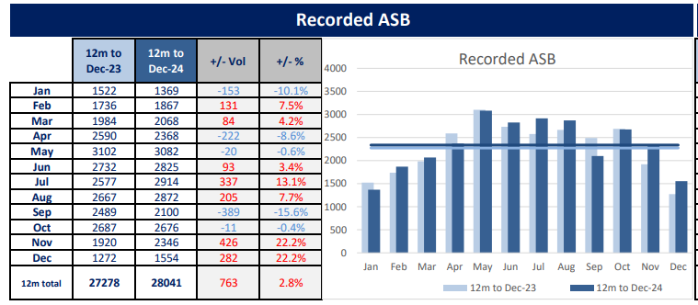

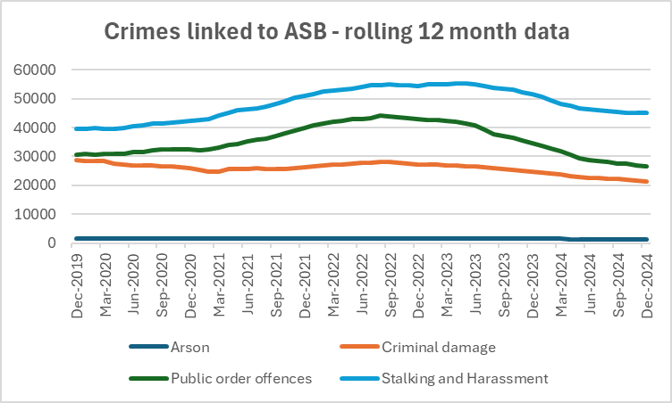

Community Measures

Median pay from PAYE Units = £ per month
 | Greater Manchester | Lancashire | South Yorkshire | West Yorkshire | West Midlands (county) | UK
45200 | 2178 | 2094 | 2111 | 2142 | 2121 | 2279
45231 | 2218 | 2120 | 2146 | 2188 | 2166 | 2326
45261 | 2214 | 2152 | 2148 | 2189 | 2153 | 2326
45292 | 2220 | 2143 | 2149 | 2193 | 2162 | 2335
45323 | 2225 | 2149 | 2165 | 2203 | 2177 | 2345
45352 | 2237 | 2151 | 2177 | 2210 | 2192 | 2354
45383 | 2260 | 2187 | 2198 | 2236 | 2206 | 2374
45413 | 2273 | 2198 | 2217 | 2247 | 2220 | 2386
45444 | 2279 | 2202 | 2219 | 2252 | 2222 | 2389
45474 | 2294 | 2215 | 2237 | 2267 | 2237 | 2401
45505 | 2306 | 2230 | 2243 | 2277 | 2249 | 2414
45536 | 2302 | 2219 | 2242 | 2273 | 2239 | 2413

Number of out of work claimants | Proportion of men | Proportion of women | Proportion of people | Men: proportion change on year | Women: proportion change on year | People: proportion change on year |  | Life Expectancy 2021-23 | Female | Male
West Yorkshire Average | 6.06 | 4.56 | 5.32 | 0.68 | 0.68 | 0.66 |  | W Yorks Average | 81.84 | 77.62
United Kingdom | 4.60 | 3.60 | 4.10 | 0.40 | 0.50 | 0.40 |  | England | 83.05 | 79.11
England | 4.70 | 3.80 | 4.30 | 0.50 | 0.50 | 0.50 |  | YaTH | 82.09 | 78.13

Supporting Victims
Overall VAWG Offences
VAWG offences include all offences in the following categories

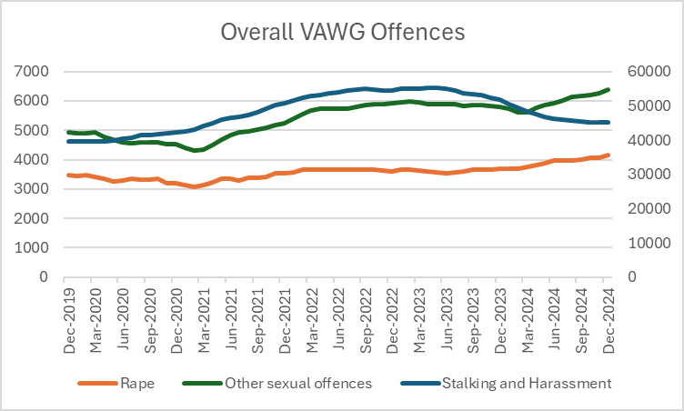
 |  | Total VAWG offences
 |  | Force | Baseline | Last 12 mths | Difference
 |  | West Yorkshire | 736 | 153 | -583
 |  | Lancashire | 555 | 171 | -384
 |  | South Yorkshire | 486 | 149 | -337
 |  | Northumbria | 488 | 166 | -322
 |  | South Wales | 575 | 256 | -319
 |  | West Midlands | 340 | 204 | -136
 |  | Greater Manchester | 420 | 300 | -120
 |  | Nottinghamshire | 273 | 183 | -90

Rape Offences
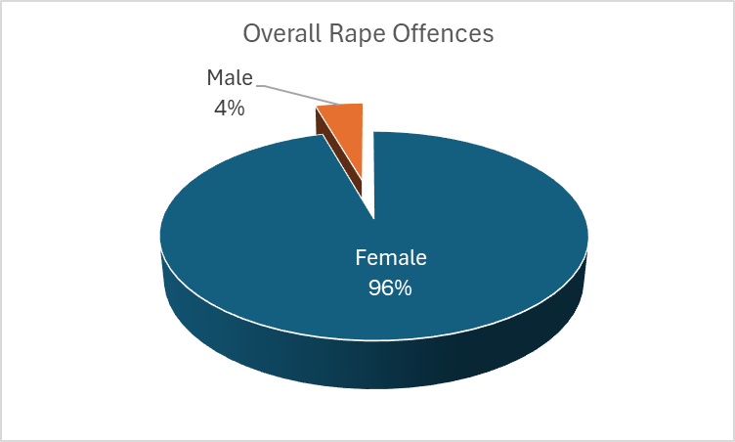

Domestic Abuse

Mental Health Incidents

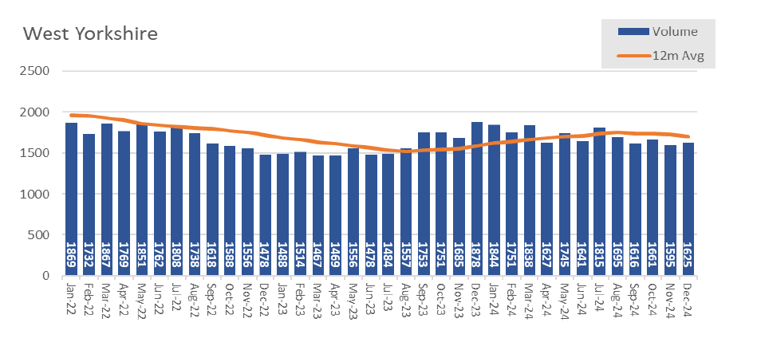

Hate Crime
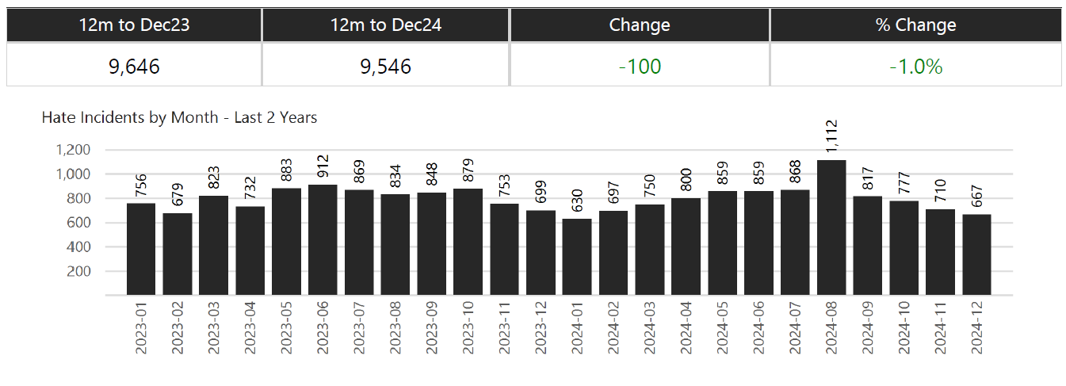

Missing Persons

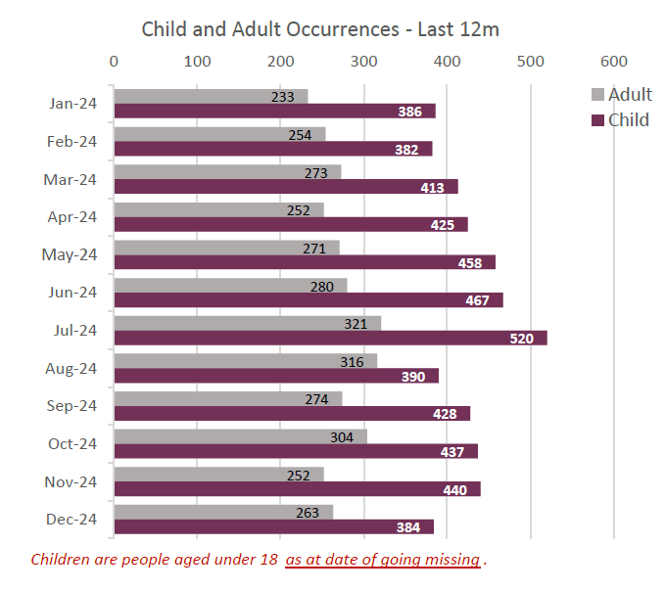

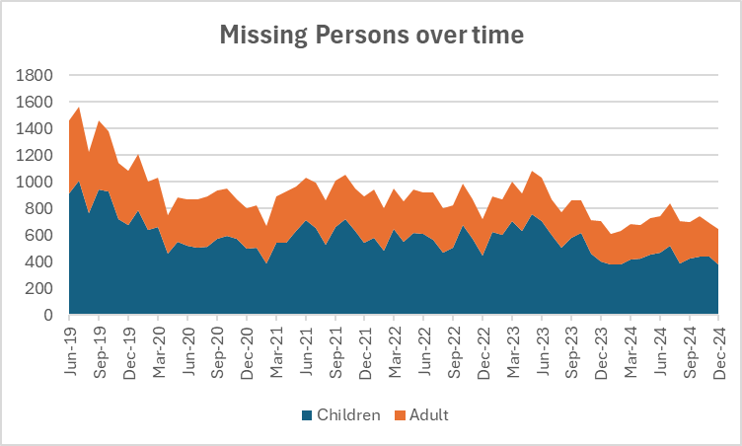

Community Measures
For more information see | Local Authority Interactive Tool (LAIT)

Looked After Children - rate per 10,000 referrals
 | Wyorks Avg | Yath | England
2015 | 69.2 | 64 | 60
2016 | 67.4 | 63 | 60
2017 | 71 | 67 | 62
2018 | 71 | 71 | 64
2019 | 75.8 | 75 | 66
2020 | 78.8 | 78 | 68
2021 | 79.8 | 80 | 69
2022 | 81.6 | 81 | 70
2023 | 84.2 | 81 | 70
2024 | 85.2 | 80 | 70
Child Protection Plans per 10,000 referrals
 | Wyorks Avg | YaTH | England
2015 | 39.32 | 42 | 43.1
2016 | 36.34 | 42 | 43.4
2017 | 38.4 | 43.3 | 43.8
2018 | 39.88 | 46.6 | 45.9
2019 | 49.74 | 50.2 | 44.5
2020 | 55.14 | 54.5 | 43.7
2021 | 42.22 | 50.1 | 42.4
2022 | 42.44 | 49.6 | 43.3
2023 | 52.02 | 50.4 | 42.7
2024 | 47.3 | 48.6 | 41.6

Child In Need - per 10,000 referrals
 | Wyorks | YatH | England
2015 | 317.86 | 348.8 | 338.2
2016 | 301.52 | 334.4 | 339.8
2017 | 322.54 | 351.5 | 333.3
2018 | 341.24 | 367.4 | 345.4
2019 | 349.72 | 360 | 339.8
2020 | 332.32 | 360.1 | 330.1
2021 | 322.9 | 358.6 | 329.6
2022 | 330.78 | 362.8 | 343.7
2023 | 329.1 | 346.9 | 339.1
2024 | 323.14 | 340.9 | 332.9

Substantial Progress in drug treatment
W Yorks | 0.45019037729
England | 0.46681672516
Substantial Progress in Alcohol Treatment
W Yorks | 0.53926561244
England | 0.51005763875

Investigations
VAWG Positive Outcomes

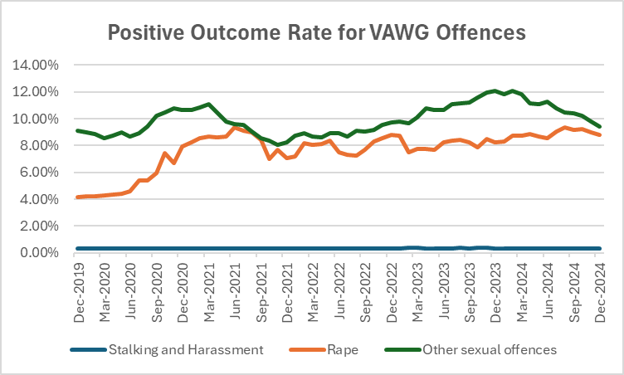
 | Force | Other Sexual Offences | Rape | Stalking and Harassment
 | Greater Manchester | 11.7% | 10.7% | 7.7%
 | Lancashire | 21.0% | 9.2% | 22.0%
 | Northumbria | 12.7% | 7.2% | 12.7%
 | Nottinghamshire | 13.8% | 8.2% | 11.8%
 | South Wales | 14.8% | 10.4% | 9.5%
 | South Yorkshire | 8.7% | 8.6% | 8.3%
 | West Midlands | 8.0% | 5.0% | 5.6%
 | West Yorkshire | 10.9% | 9.3% | 4.3%

 | Police recorded crime and outcomes open data tables - GOV.UK

Domestic Abuse Crimes and Outcome Rates Rolling 12 month data
 | Domestic Abuse Crimes | Domestic Abuse Outcome Rate
43800 | 53006 | 0.096479643814
43831 | 52794 | 0.095635867712
43862 | 52881 | 0.093417295437
43891 | 52939 | 0.093012712745
43922 | 52982 | 0.090766675475
43952 | 53056 | 0.089019149578
43983 | 53005 | 0.086916328648
44013 | 53478 | 0.085306107184
44044 | 53716 | 0.085710030531
44075 | 53762 | 0.086845727465
44105 | 53619 | 0.087375743673
44136 | 53503 | 0.087116610284
44166 | 53236 | 0.088286122173
44197 | 53419 | 0.086486081731
44228 | 53433 | 0.085303089851
44256 | 53595 | 0.083832447057
44287 | 53963 | 0.082093286141
44317 | 54439 | 0.078307830783
44348 | 54806 | 0.075995328979
44378 | 54952 | 0.075138302519
44409 | 55137 | 0.074469049821
44440 | 55775 | 0.072917974003
44470 | 56636 | 0.071473974151
44501 | 57523 | 0.070997687881
44531 | 58359 | 0.069089600576
44562 | 58874 | 0.068824948194
44593 | 59674 | 0.068723397124
44621 | 60415 | 0.068377058677
44652 | 60921 | 0.06753007994
44682 | 61407 | 0.067402739101
44713 | 62023 | 0.066894539123
44743 | 62683 | 0.06708357928
44774 | 63335 | 0.066882450462
44805 | 63630 | 0.066305201949
44835 | 63712 | 0.066015821195
44866 | 63848 | 0.067770329533
44896 | 63860 | 0.069386157219
44927 | 64151 | 0.070287290923
44958 | 64245 | 0.070666977975
44986 | 64306 | 0.070180076509
45017 | 64270 | 0.070515014781
45047 | 64188 | 0.070418146694
45078 | 63656 | 0.071572200578
45108 | 62623 | 0.072289733804
45139 | 61535 | 0.07446168847
45170 | 60822 | 0.075285258624
45200 | 60045 | 0.077175451745
45231 | 58916 | 0.075599158123
45261 | 58221 | 0.075917624225
45292 | 57251 | 0.075404796423
...
 | A comprehensive look at Domestic Abuse figures is completed by ONS in November every year - this looks at each force area and all facets of Domestic abuse. The most recent data is available at
 | Domestic abuse in England and Wales overview - Office for National Statistics

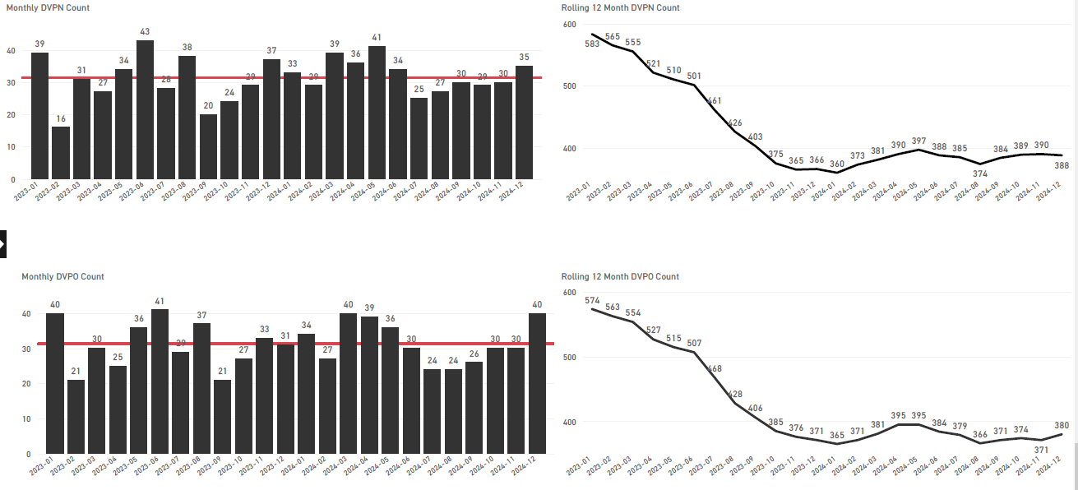

Community Measures

The release of criminal court statistics has been postponed because changes are being made to the systems they are based on. As a result, there is no data in this dashboard for the two most recent quarters for metrics covering the stage from charge to case completion in court. Some data from previous quarters is also likely to change. This dashboard will be updated in line with the criminal court statistics. You can find out more on the criminal court statistics website.

The new data will be available for the next iteration of this document.

EDI
STOP & SEARCH

Of the 11,640 stop and searches conducted between July 2024 and December 2024, 3,904 (33.54%) had a police outcome, and 7,582 (65.14%) had no further action taken. For 154 (1.32%), the outcome was not collected.
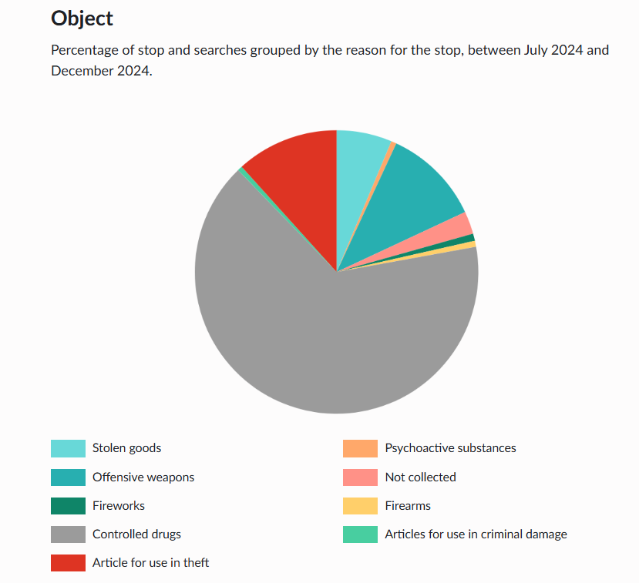
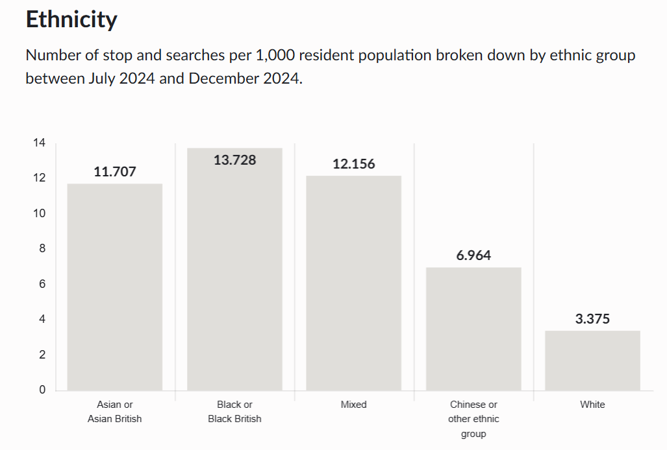

USE of FORCE

Year | UoF Forms |  | Since the requirement to complete a use of force form was introduced, we have seen significant gains in the number of forms submitted. Home Office data indicated that WP were submitting the most forms for a Force outside the MPS.
2018/19 | 15823
2019/20 | 17934
2020/21 | 33977
2021/22 | 40727 |  | For more information, see the latest Community Outcome Paper
2022/23 | 46132 |  |  | westyorks-ca.gov.uk/policing-and-crime/holding-the-chief-constable-to-account/
2023/24 | 47071
12 mths to Nov 24 | 44791

Arrests

Victim Satisfaction Demographics

Demographics: Based on responses from all victims or callers who took part in feedback surveys. • Ethnicity: There is a significant difference between overall satisfaction of White victims (75.6%) and for victims and callers from all other ethnic groups combined (69.1%) leading to a satisfaction gap of 6.6%, compared to 5.4% a year ago. The gap varies from 3.6% at Wakefield to 9.5% at Kirklees and stands at 2.3% at FCMU. • Age: Victims who are over 55 are more satisfied with the service delivered than for those under 55. • Gender: Females are more satisfied (75.8%) with the service they have received than males (72.1%). • Disability: There is no significant difference between overall satisfaction levels for Victims and callers with a disability compared to those who do not have a disability (72.1% and 73.8% respectively).

Ethnic Minorities in Senior Ranks in WYP

Police Force Area | Chief Officer | Chief Superintendent | Superintendent | Chief Inspector | Inspector
Northumbria | 0 | 0 | 1 | 0 | 5
Greater Manchester | 1 | 1 | 6 | 12 | 22
Lancashire | 0 | 0 | 2 | 2.9 | 9
South Yorkshire | 0 | 0 | 0 | 1 | 4
West Yorkshire | 1 | 1 | 1 | 4 | 18
Nottinghamshire | 0 | 1 | 0 | 4 | 5.6
West Midlands | 0 | 0 | 4 | 17 | 35
South Wales | 0 | 0 | 0 | 1 | 4

Equality Duty Measures

West Yorkshire Police Equality Duty Measures are published yearly - when new data is published it will appear here. Equality data is monitored and used to assist with the development of new and/or revision of current Force policy. It also helps West Yorkshire Police identify how the workforce is changing and whether they need to revise their procedures, policies and learning interventions. Observing trends and patterns relating to operational policing helps the Force to develop equality strategies and objectives aimed at improving services to our communities.

